Comments
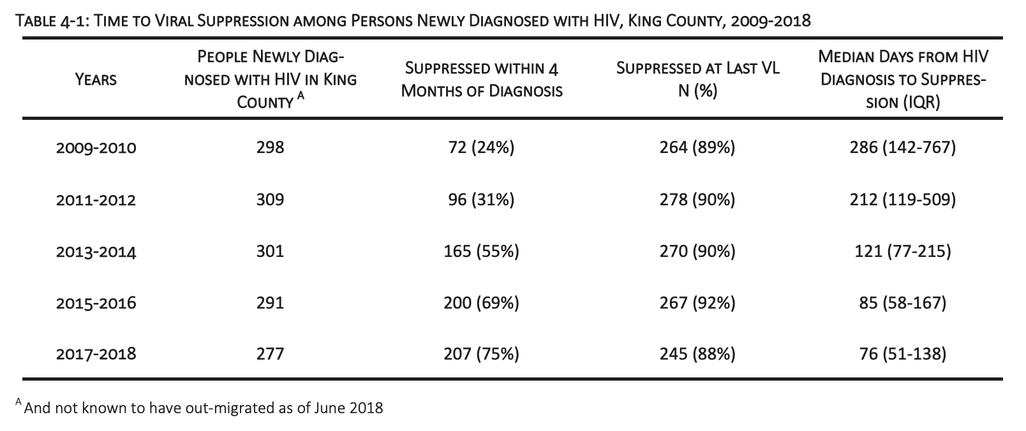
Specific EHE priority counties:

King County (2,252,782)

Other counties in MSA:
Snohomish County (822,083)
Pierce County (904,980)

https://www.kingcounty.gov/depts/health/communicable-diseases/hiv-std/patients/EtHE.aspx
https://www.kingcounty.gov/depts/health/communicable-diseases/hiv-std/patients/epidemiology.aspx
https://www.kingcounty.gov/depts/health/communicable-diseases/hiv-std/patients/epidemiology/annual-reports.aspx
https://www.kingcounty.gov/depts/health/communicable-diseases/hiv-std/patients/epidemiology/epidemiology-profile.aspx

